Table 2
 | Not human study | Human study
 | N = 22,902 | N = 15,007 | test statistic
Number of papers (lower quartile; median; upper quartile) | 3; 6; 11 | 2; 5; 10 | P < 0.001
Normalized citation impact (lower quartile; median; upper quartile) | 1.68; 3.75; 7.23 | 0.98; 2.94; 6.53 | P < 0.001
Normalized citation impact per $M (lower quartile; median; upper quartile) | 0.59; 1.36; 2.65 | 0.33; 0.99; 2.29 | P < 0.001

Notes:
· Test used: Wilcoxon test
· Number of papers: for papers that acknowledged more than 1 R01 grant within this portfolio, each grant received “prorated credit” for the paper
· Normalized citation impact: Using Thomson-Reuters data, each paper was “binned” according to topic, year of publication, and article type. If the paper was cited more than all other papers in its bin, it contributed a normalized citation impact of 1. If the paper was never cited (and hence was cited less often than all other papers in its bin), it contributed a normalized citation impact of 0. And if the paper was cited more than 75% of all other papers in its bin, it contributed a normalized citation impact of 0.75.
· Normalized citation impact per million dollars: accounts for heterogeneous citation behavior across different scientific disciplines to address the question of citations per dollar of NIH-funding

Fig 1a 1b
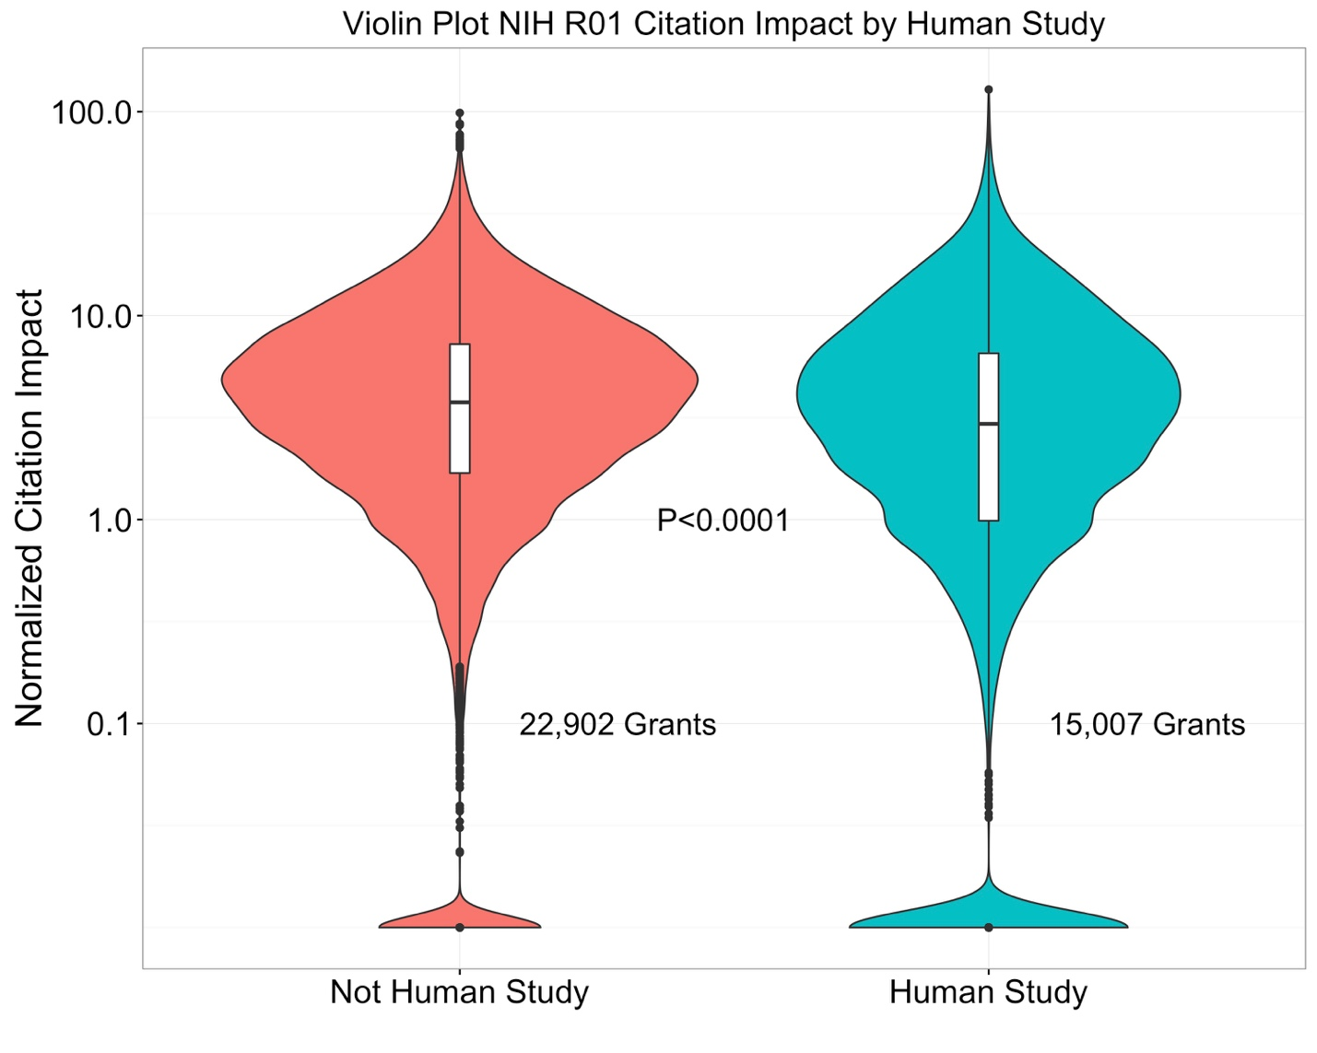
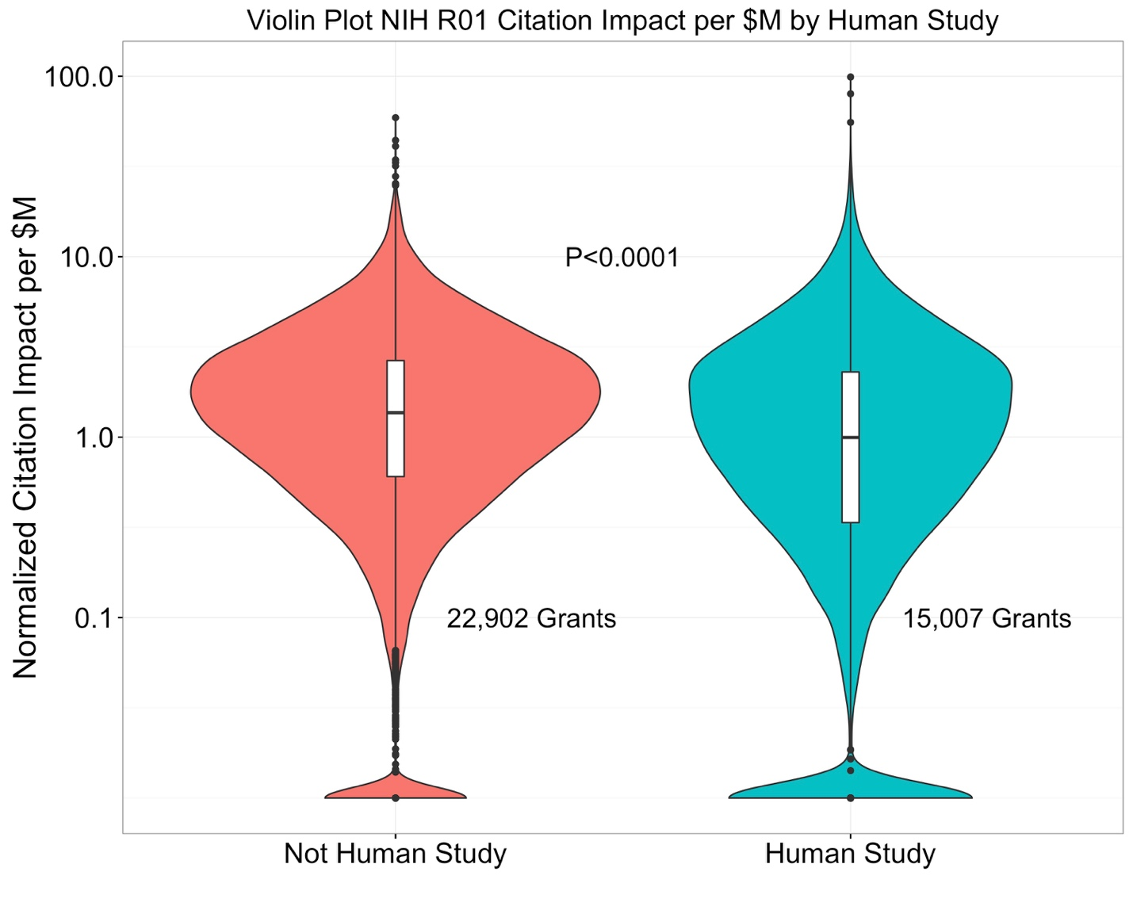

Fig 2
