For RePORT
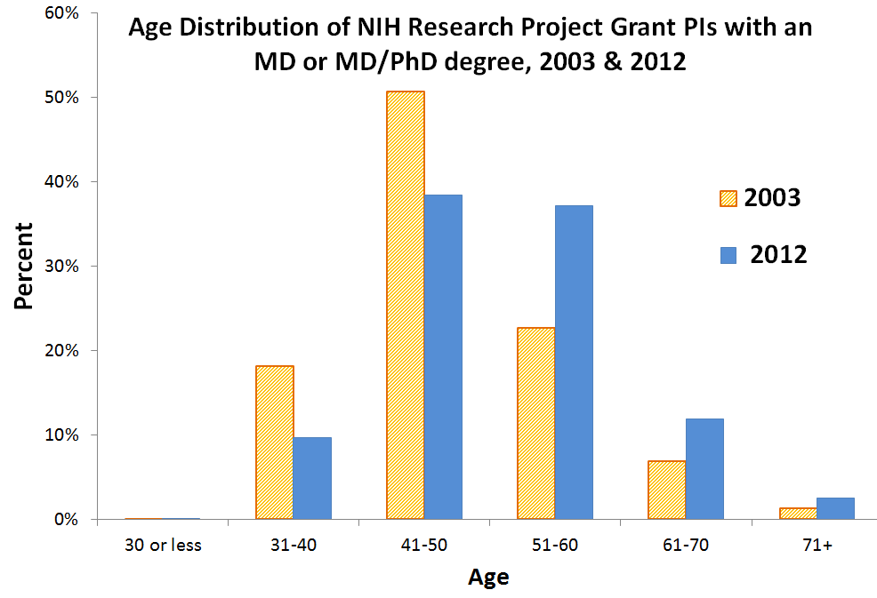
TOTAL MD-holding + MD/PhD-holding NIH Research Project Grant PIs, distribution by age group
 | 2003 - Percentage | 2012 - Percentage
30 or less | 0% | 0%
31-40 | 18% | 10%
41-50 | 51% | 38%
51-60 | 23% | 37%
61-70 | 7% | 12%
71+ | 1% | 3%

